20181228
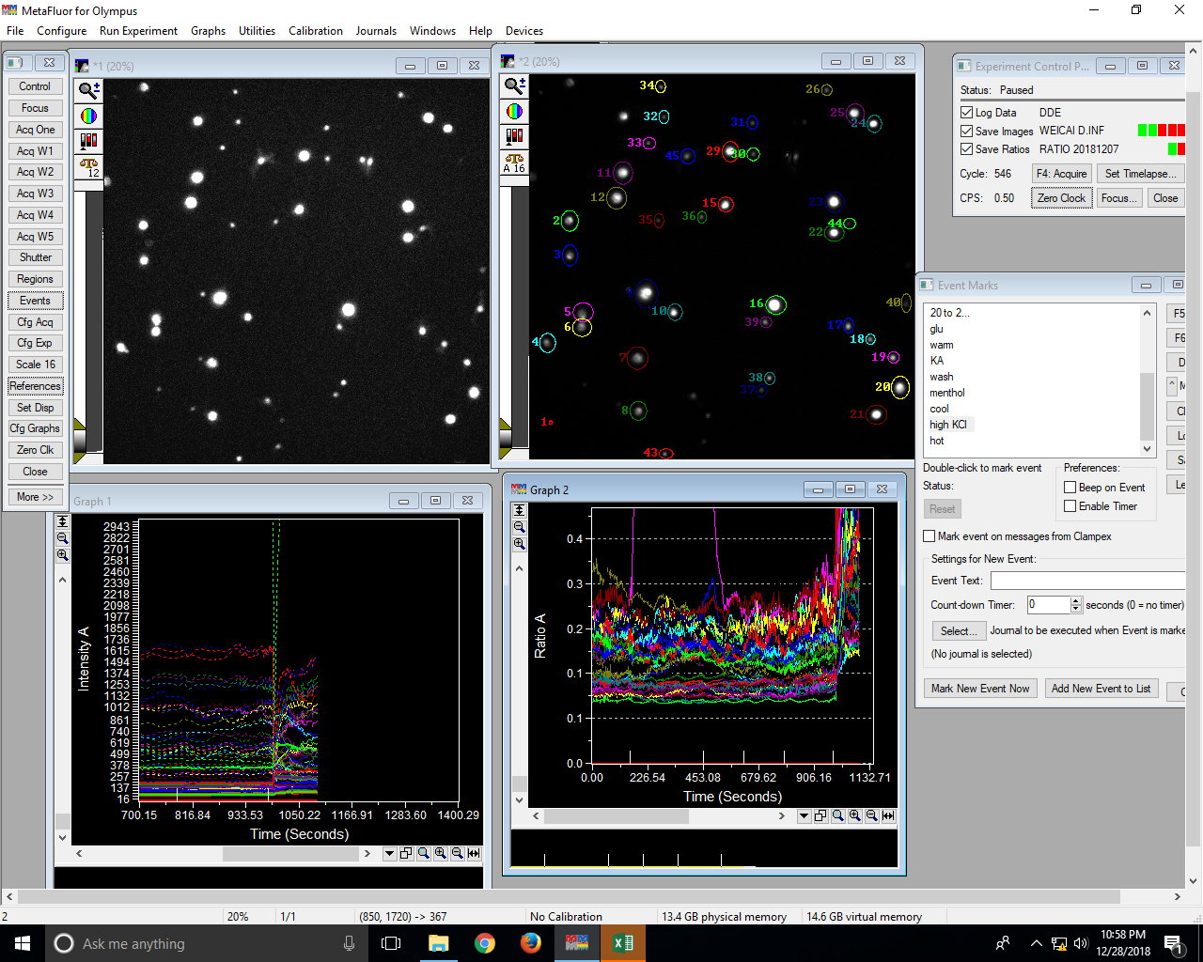
File: DDELog(Excel:20181228 1 1)::
Date: Fri Dec 28 2018 22:39:32.198
0 | Wavelength Names: 1 2 0 0 Wavelength 5
0 | Clock reset to 0.0
Region 1: [Location: (100, 1843), Size: (21, 21), Area: 305]
Region 2: [Location: (165, 725), Size: (92, 111), Area: 7932]
Region 3: [Location: (172, 907), Size: (81, 114), Area: 7186]
Region 4: [Location: (50, 1379), Size: (86, 103), Area: 6858]
Region 5: [Location: (229, 1215), Size: (107, 103), Area: 8531]
Region 6: [Location: (225, 1300), Size: (103, 96), Area: 7672]
Region 7: [Location: (515, 1450), Size: (113, 121), Area: 10671]
Region 8: [Location: (532, 1740), Size: (89, 103), Area: 7117]
Region 9: [Location: (557, 1093), Size: (125, 153), Area: 14907]
Region 10: [Location: (732, 1222), Size: (79, 89), Area: 5467]
Region 11: [Location: (443, 465), Size: (103, 121), Area: 9689]
Region 12: [Location: (407, 600), Size: (107, 118), Area: 9818]
Region 13: [Location: (454, 172), Size: (96, 106), Area: 7916]
Region 14: [Location: (168, 0), Size: (103, 107), Area: 8535]
Region 15: [Location: (1000, 654), Size: (82, 78), Area: 4960]
Region 16: [Location: (1254, 1179), Size: (110, 99), Area: 8454]
Region 17: [Location: (1668, 1297), Size: (53, 81), Area: 3335]
Region 18: [Location: (1786, 1382), Size: (50, 57), Area: 2204]
Region 19: [Location: (1904, 1475), Size: (60, 64), Area: 2964]
Region 20: [Location: (1922, 1607), Size: (96, 121), Area: 9064]
Region 21: [Location: (1786, 1761), Size: (114, 103), Area: 9108]
Region 22: [Location: (1565, 800), Size: (106, 89), Area: 7338]
Region 23: [Location: (1568, 625), Size: (103, 111), Area: 8845]
Region 24: [Location: (1793, 218), Size: (78, 93), Area: 5640]
Region 25: [Location: (1682, 157), Size: (96, 107), Area: 7986]
Region 26: [Location: (1550, 54), Size: (57, 60), Area: 2638]
Region 27: [Location: (1390, 390), Size: (49, 103), Area: 3909]
Region 28: [Location: (1354, 386), Size: (46, 103), Area: 3680]
Region 29: [Location: (1022, 357), Size: (89, 111), Area: 7679]
Region 30: [Location: (1154, 390), Size: (67, 71), Area: 3693]
Region 31: [Location: (1154, 222), Size: (57, 71), Area: 3137]
Region 32: [Location: (686, 190), Size: (53, 74), Area: 3042]
Region 33: [Location: (600, 336), Size: (68, 64), Area: 3366]
Region 34: [Location: (668, 32), Size: (53, 68), Area: 2802]
Region 35: [Location: (661, 740), Size: (50, 78), Area: 3024]
Region 36: [Location: (890, 729), Size: (49, 64), Area: 2424]
Region 37: [Location: (1204, 1650), Size: (57, 68), Area: 3006]
Region 38: [Location: (1247, 1586), Size: (56, 67), Area: 2916]
Region 39: [Location: (1225, 1290), Size: (61, 60), Area: 2820]
Region 40: [Location: (1975, 1168), Size: (53, 100), Area: 4118]
Region 41: [Location: (825, 1682), Size: (78, 68), Area: 4116]
Region 42: [Location: (897, 1929), Size: (64, 53), Area: 2622]
Region 43: [Location: (686, 1993), Size: (75, 53), Area: 3071]
Region 44: [Location: (1668, 765), Size: (64, 60), Area: 2962]
Region 45: [Location: (800, 397), Size: (78, 81), Area: 4896]
Time (sec) | R1 W1 Avg | R1 W2 Avg | R1 R1 | R2 W1 Avg | R2 W2 Avg | R2 R1 | R3 W1 Avg | R3 W2 Avg | R3 R1 | R4 W1 Avg | R4 W2 Avg | R4 R1 | R5 W1 Avg | R5 W2 Avg | R5 R1 | R6 W1 Avg | R6 W2 Avg | R6 R1 | R7 W1 Avg | R7 W2 Avg | R7 R1 | R8 W1 Avg | R8 W2 Avg | R8 R1 | R9 W1 Avg | R9 W2 Avg | R9 R1 | R10 W1 Avg | R10 W2 Avg | R10 R1 | R11 W1 Avg | R11 W2 Avg | R11 R1 | R12 W1 Avg | R12 W2 Avg | R12 R1 | R13 W1 Avg | R13 W2 Avg | R13 R1 | R14 W1 Avg | R14 W2 Avg | R14 R1 | R15 W1 Avg | R15 W2 Avg | R15 R1 | R16 W1 Avg | R16 W2 Avg | R16 R1 | R17 W1 Avg | R17 W2 Avg | R17 R1 | R18 W1 Avg | R18 W2 Avg | R18 R1 | R19 W1 Avg | R19 W2 Avg | R19 R1 | R20 W1 Avg | R20 W2 Avg | R20 R1 | R21 W1 Avg | R21 W2 Avg | R21 R1 | R22 W1 Avg | R22 W2 Avg | R22 R1 | R23 W1 Avg | R23 W2 Avg | R23 R1 | R24 W1 Avg | R24 W2 Avg | R24 R1 | R25 W1 Avg | R25 W2 Avg | R25 R1 | R26 W1 Avg | R26 W2 Avg | R26 R1 | R27 W1 Avg | R27 W2 Avg | R27 R1 | R28 W1 Avg | R28 W2 Avg | R28 R1 | R29 W1 Avg | R29 W2 Avg | R29 R1 | R30 W1 Avg | R30 W2 Avg | R30 R1 | R31 W1 Avg | R31 W2 Avg | R31 R1 | R32 W1 Avg | R32 W2 Avg | R32 R1 | R33 W1 Avg | R33 W2 Avg | R33 R1 | R34 W1 Avg | R34 W2 Avg | R34 R1 | R35 W1 Avg | R35 W2 Avg | R35 R1 | R36 W1 Avg | R36 W2 Avg | R36 R1 | R37 W1 Avg | R37 W2 Avg | R37 R1 | R38 W1 Avg | R38 W2 Avg | R38 R1 | R39 W1 Avg | R39 W2 Avg | R39 R1 | R40 W1 Avg | R40 W2 Avg | R40 R1 | R41 W1 Avg | R41 W2 Avg | R41 R1 | R42 W1 Avg | R42 W2 Avg | R42 R1 | R43 W1 Avg | R43 W2 Avg | R43 R1 | R44 W1 Avg | R44 W2 Avg | R44 R1 | R45 W1 Avg | R45 W2 Avg | R45 R1
0.3 | 0 | 0 | 0 | 82.58 | 428.18 | 0.21 | 77.31 | 410.14 | 0.21 | 86.23 | 430.9 | 0.22 | 96.55 | 495.11 | 0.22 | 94.24 | 464.53 | 0.22 | 61.91 | 517.22 | 0.13 | 94.09 | 582.68 | 0.17 | 123.04 | 1147.22 | 0.11 | 82.91 | 827.11 | 0.11 | 140.01 | 905.9 | 0.16 | 162.44 | 567.08 | 0.3 | 93.51 | 678.6 | 0.15 | 36.25 | 203.26 | 0.28 | 171.29 | 1361.83 | 0.13 | 306.39 | 3291.98 | 0.1 | 114.96 | 1006.53 | 0.12 | 89.53 | 756.01 | 0.13 | 90.2 | 891.98 | 0.11 | 104.06 | 1024.04 | 0.11 | 99.51 | 1013.12 | 0.11 | 158.58 | 1263.75 | 0.13 | 187.95 | 1540.76 | 0.13 | 133.88 | 1145.83 | 0.13 | 141.32 | 1247.28 | 0.12 | 54.67 | 432 | 0.15 | 92.41 | 709.64 | 0.14 | 79.52 | 606.56 | 0.15 | 164.5 | 1390.9 | 0.13 | 48.95 | 278.67 | 0.21 | 45.87 | 300.15 | 0.21 | 41.81 | 274.81 | 0.2 | 39.67 | 234.51 | 0.24 | 31.77 | 213.94 | 0.23 | 40.04 | 231.7 | 0.25 | 45.24 | 297.3 | 0.19 | 31.81 | 213.48 | 0.21 | 49.92 | 471.67 | 0.13 | 66.05 | 653.25 | 0.11 | 64.43 | 526.14 | 0.14 | 39.03 | 295.99 | 0.15 | 27.49 | 183.59 | 0.22 | 44.59 | 292.6 | 0.18 | 60.13 | 343.63 | 0.2 | 87.54 | 539.35 | 0.18
2.3 | 0 | 0 | 0 | 82.39 | 422.83 | 0.22 | 77.34 | 404.69 | 0.22 | 86.62 | 424.57 | 0.22 | 96.5 | 487.78 | 0.22 | 94.52 | 458.01 | 0.22 | 61.78 | 509.27 | 0.14 | 94.48 | 576.05 | 0.17 | 123.02 | 1130.73 | 0.11 | 82.89 | 813.72 | 0.11 | 139.74 | 888.91 | 0.17 | 162.18 | 557.74 | 0.3 | 93.28 | 662.48 | 0.15 | 36.13 | 197.91 | 0.27 | 169.71 | 1335.91 | 0.13 | 306.52 | 3227.04 | 0.1 | 114.86 | 988.45 | 0.12 | 89.48 | 741.76 | 0.13 | 91.9 | 848.79 | 0.12 | 103.19 | 1002.75 | 0.11 | 99.74 | 991.79 | 0.11 | 157.99 | 1238.73 | 0.14 | 187.22 | 1508.08 | 0.13 | 133.74 | 1118.68 | 0.13 | 140.96 | 1216.81 | 0.12 | 54.43 | 421.24 | 0.16 | 91.65 | 691.13 | 0.14 | 78.59 | 589.56 | 0.15 | 163.69 | 1359.05 | 0.13 | 48.53 | 271.71 | 0.22 | 45.39 | 291.79 | 0.21 | 41.33 | 267.44 | 0.2 | 39.21 | 227.97 | 0.25 | 31.15 | 208.52 | 0.23 | 39.67 | 225.16 | 0.25 | 44.72 | 291.61 | 0.19 | 31.68 | 208.57 | 0.22 | 49.55 | 460.6 | 0.13 | 66.21 | 639.89 | 0.11 | 63.94 | 519.08 | 0.14 | 39.42 | 290.44 | 0.16 | 27.79 | 179.73 | 0.22 | 45.02 | 286.87 | 0.19 | 59.73 | 336.92 | 0.2 | 86.94 | 528.26 | 0.18
4.3 | 0 | 0 | 0 | 84.79 | 423.98 | 0.22 | 79.15 | 404.75 | 0.22 | 89.83 | 424.66 | 0.22 | 100.19 | 489.71 | 0.22 | 97.92 | 458.77 | 0.23 | 64.14 | 511.03 | 0.14 | 98.42 | 579.81 | 0.18 | 127.91 | 1131.68 | 0.12 | 85.49 | 813.61 | 0.11 | 144.8 | 891.55 | 0.17 | 168.18 | 554.93 | 0.31 | 96.17 | 663.14 | 0.15 | 36.85 | 199.13 | 0.27 | 176.01 | 1333.04 | 0.14 | 320.18 | 3220.26 | 0.1 | 119.46 | 988.65 | 0.13 | 93.16 | 742.24 | 0.13 | 95.22 | 855.71 | 0.12 | 108.35 | 1004.44 | 0.11 | 104.02 | 992.12 | 0.11 | 163.66 | 1235.02 | 0.14 | 194.76 | 1504.29 | 0.14 | 138.72 | 1116.62 | 0.13 | 146.34 | 1213.27 | 0.13 | 55.31 | 420.94 | 0.15 | 94.12 | 689.18 | 0.15 | 80.63 | 587.63 | 0.15 | 169.68 | 1360.19 | 0.13 | 48.87 | 270.45 | 0.21 | 45.63 | 290.68 | 0.21 | 41.72 | 267.08 | 0.2 | 38.7 | 228.54 | 0.23 | 31.45 | 208.52 | 0.22 | 39.23 | 223.31 | 0.24 | 45.38 | 291.58 | 0.19 | 31.87 | 208.23 | 0.2 | 51.26 | 461.99 | 0.13 | 67.9 | 637.85 | 0.11 | 66.85 | 517.4 | 0.14 | 39.92 | 290.51 | 0.16 | 28.06 | 180.12 | 0.21 | 46.63 | 286.63 | 0.19 | 60.45 | 335.19 | 0.2 | 89.16 | 526.76 | 0.18
6.3 | 0 | 0 | 0 | 84.33 | 438.97 | 0.21 | 79.03 | 420.19 | 0.21 | 89.03 | 437.55 | 0.21 | 99.34 | 505.5 | 0.21 | 97.25 | 474.03 | 0.22 | 63.06 | 528.73 | 0.13 | 97.08 | 596.9 | 0.17 | 127.63 | 1171.33 | 0.11 | 84.74 | 840.98 | 0.11 | 145.23 | 918.37 | 0.16 | 168.83 | 571.18 | 0.3 | 96.43 | 685.46 | 0.15 | 36.29 | 204.46 | 0.25 | 176.58 | 1374.28 | 0.13 | 320.42 | 3318.78 | 0.1 | 118.5 | 1018.11 | 0.12 | 92.82 | 765.87 | 0.13 | 93.68 | 883.24 | 0.11 | 106.84 | 1033.66 | 0.11 | 102.9 | 1019.05 | 0.11 | 163.81 | 1273.16 | 0.13 | 195.31 | 1548.3 | 0.13 | 138.67 | 1146.42 | 0.13 | 146.26 | 1245.67 | 0.12 | 55.32 | 431.33 | 0.15 | 93.98 | 710.32 | 0.14 | 81.12 | 604.76 | 0.15 | 170.31 | 1401.07 | 0.13 | 48.62 | 279.01 | 0.21 | 45.61 | 299.46 | 0.2 | 41.32 | 277.34 | 0.19 | 39.06 | 236.68 | 0.22 | 31.34 | 214.51 | 0.21 | 38.97 | 231.91 | 0.23 | 45.35 | 300.8 | 0.18 | 31.23 | 213.67 | 0.2 | 49.82 | 477.44 | 0.12 | 67.58 | 657.68 | 0.11 | 65.45 | 532.44 | 0.13 | 39.04 | 299.14 | 0.15 | 27.21 | 183.72 | 0.2 | 45.27 | 295.02 | 0.17 | 60.44 | 347.53 | 0.19 | 89.02 | 545.08 | 0.18
8.3 | 0 | 0 | 0 | 85.97 | 454.33 | 0.21 | 80.53 | 435.46 | 0.21 | 89.65 | 455.17 | 0.21 | 100.57 | 522.06 | 0.21 | 98.75 | 489.44 | 0.21 | 64.47 | 548.33 | 0.13 | 98.34 | 619.35 | 0.16 | 128.8 | 1206.18 | 0.11 | 86.33 | 867.65 | 0.11 | 146.42 | 944.48 | 0.16 | 170.07 | 585.73 | 0.3 | 97.55 | 712.76 | 0.15 | 37.28 | 211.27 | 0.26 | 178.59 | 1411.58 | 0.13 | 321.39 | 3403.25 | 0.1 | 119.7 | 1047.34 | 0.12 | 92.83 | 787.51 | 0.13 | 94.72 | 914.13 | 0.11 | 107.98 | 1067.06 | 0.1 | 104.29 | 1054.3 | 0.11 | 165.09 | 1304.23 | 0.13 | 196.72 | 1589.39 | 0.13 | 139.67 | 1182.72 | 0.13 | 147.81 | 1283.29 | 0.12 | 56.41 | 445.96 | 0.15 | 96.05 | 731.45 | 0.14 | 82.46 | 622.4 | 0.15 | 172.24 | 1444.09 | 0.13 | 50.23 | 289.12 | 0.21 | 46.47 | 309.82 | 0.2 | 42.89 | 288.18 | 0.19 | 40.87 | 245.52 | 0.23 | 32.24 | 224.47 | 0.21 | 40.48 | 238.46 | 0.23 | 46.65 | 309.65 | 0.19 | 31.93 | 222.94 | 0.2 | 51.44 | 493.32 | 0.12 | 68.4 | 677.3 | 0.11 | 66.25 | 547.42 | 0.14 | 40.28 | 309.42 | 0.15 | 28.17 | 190.57 | 0.2 | 46.33 | 305.95 | 0.18 | 61.88 | 358.79 | 0.19 | 90.95 | 562.67 | 0.18
...
File: DDELog(Excel:20181228 1 1)::
1082.43 | 0 | 0 | 0 | 148.34 | 621.53 | 0.34 | 135.21 | 472.87 | 0.38 | 153.47 | 386.01 | 0.56 | 140.56 | 535.34 | 0.35 | 148.88 | 569.35 | 0.33 | 94.6 | 472.85 | 0.28 | 170.58 | 475.51 | 0.42 | 174.98 | 1195.41 | 0.19
1084.43 | 0 | 0 | 0 | 152.11 | 617.57 | 0.35 | 138.37 | 469.64 | 0.41 | 156.53 | 382.55 | 0.61 | 144.06 | 531.94 | 0.36 | 152.3 | 566.96 | 0.34 | 96.65 | 471.5 | 0.29 | 174.24 | 471.99 | 0.42 | 179.74 | 1189.43 | 0.2
1086.43 | 0 | 0 | 0 | 152.42 | 612.58 | 0.34 | 138.41 | 466.29 | 0.41 | 156.5 | 378.88 | 0.6 | 144.25 | 528.45 | 0.37 | 152.5 | 562.34 | 0.35 | 96.72 | 469.53 | 0.28 | 174.38 | 468.91 | 0.43 | 179.89 | 1183.62 | 0.2
1088.43 | 0 | 0 | 0 | 151.26 | 604.56 | 0.35 | 137.61 | 462.02 | 0.4 | 155.48 | 369.89 | 0.6 | 143.26 | 523.64 | 0.36 | 151.15 | 557.74 | 0.33 | 95.48 | 469.18 | 0.27 | 173.71 | 466.7 | 0.42 | 178.66 | 1178.8 | 0.19
1090.43 | 0 | 0 | 0 | 151.52 | 608.13 | 0.34 | 137.91 | 461.27 | 0.39 | 155.36 | 372.83 | 0.6 | 143.58 | 522.71 | 0.35 | 151.51 | 556.59 | 0.34 | 95.93 | 470.38 | 0.27 | 173.17 | 466.42 | 0.41 | 179.08 | 1180.43 | 0.19

